Home
Templates for Forecasting and Tracking
Seasonal Labour

These templates will help you to forecast how many seasonal workers you will need by role (eg. thinner, picker, packer). Then as you start hiring, it will enable you to track how many have signed up for each role and how many you still need to hire. Start with the 'Forecast' tab to enter your data, then use the 'Tracking detail' tab to record each worker that signs up. You will also be able to see when people are starting in the 'Start date chart' tab which tracks the number of people starting on which days for each role. |  | 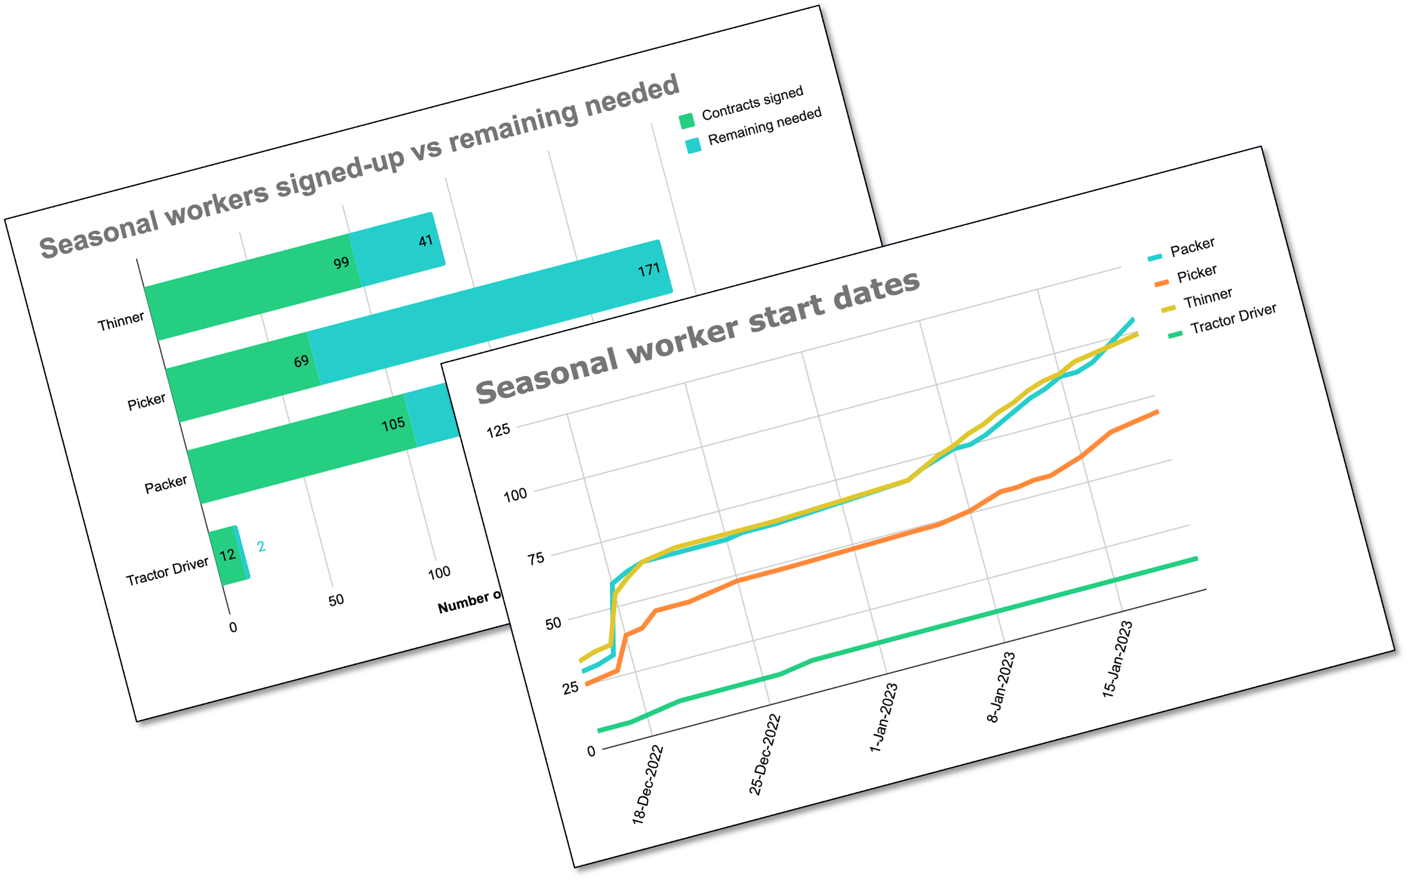

If you need any help, please get in touch for a free consult on your seasonal hiring.

 | Book a free seasonal hiring consult

Forecast
 |  |  | Need some help figuring this out?? Book a free seasonal hiring consult

 | Last season | This season forecast |  | This season tracking
Role | Workers hired | Change from last season | Workers needed | Contracts signed | Remaining needed
Thinner | 120 | 20 | 140 | 99 | 41
Picker | 230 | 10 | 240 | 69 | 171
Packer | 175 | 20 | 195 | 105 | 90
Tractor Driver | 10 | 4 | 14 | 12 | 2
 |  | 0 |  | 0 | 0
TOTAL | 535 | 54 | 589 | 285 | 304

Seasonal workers signed-up vs remaining needed

Start date chart
Need some help figuring this out?? Book a free seasonal hiring consult

Seasonal worker start dates
 | Packer | Picker | Thinner | Tractor Driver
2022-12-15 | 30 | 25 | 34 | 7
2022-12-16 | 31 | 26 | 36 | 7
2022-12-17 | 33 | 27 | 37 | 7
2022-12-18 | 59 | 39 | 55 | 8
2022-12-19 | 62 | 40 | 60 | 9
2022-12-20 | 64 | 45 | 64 | 10
2022-12-21 | 64 | 45 | 65 | 10
2022-12-22 | 64 | 45 | 66 | 10
2022-12-23 | 64 | 46 | 66 | 10
2022-12-24 | 64 | 47 | 66 | 10
2022-12-25 | 64 | 48 | 66 | 10
2022-12-26 | 65 | 48 | 66 | 10
2022-12-27 | 65 | 48 | 66 | 11
2022-12-28 | 65 | 48 | 66 | 12
2023-01-05 | 68 | 49 | 68 | 12
2023-01-06 | 71 | 49 | 71 | 12
2023-01-07 | 73 | 50 | 74 | 12
2023-01-08 | 75 | 51 | 76 | 12
2023-01-09 | 75 | 53 | 79 | 12
2023-01-10 | 77 | 55 | 81 | 12
2023-01-11 | 80 | 55 | 84 | 12
2023-01-12 | 83 | 56 | 86 | 12
2023-01-13 | 86 | 56 | 89 | 12
2023-01-14 | 88 | 58 | 91 | 12
2023-01-15 | 91 | 60 | 92 | 12
2023-01-16 | 91 | 63 | 95 | 12
2023-01-17 | 93 | 66 | 96 | 12
2023-01-18 | 97 | 67 | 97 | 12
2023-01-19 | 101 | 68 | 98 | 12
2023-01-20 | 105 | 69 | 99 | 12

